ReadMe
Back
 | ReadMe

 | 1. How to use

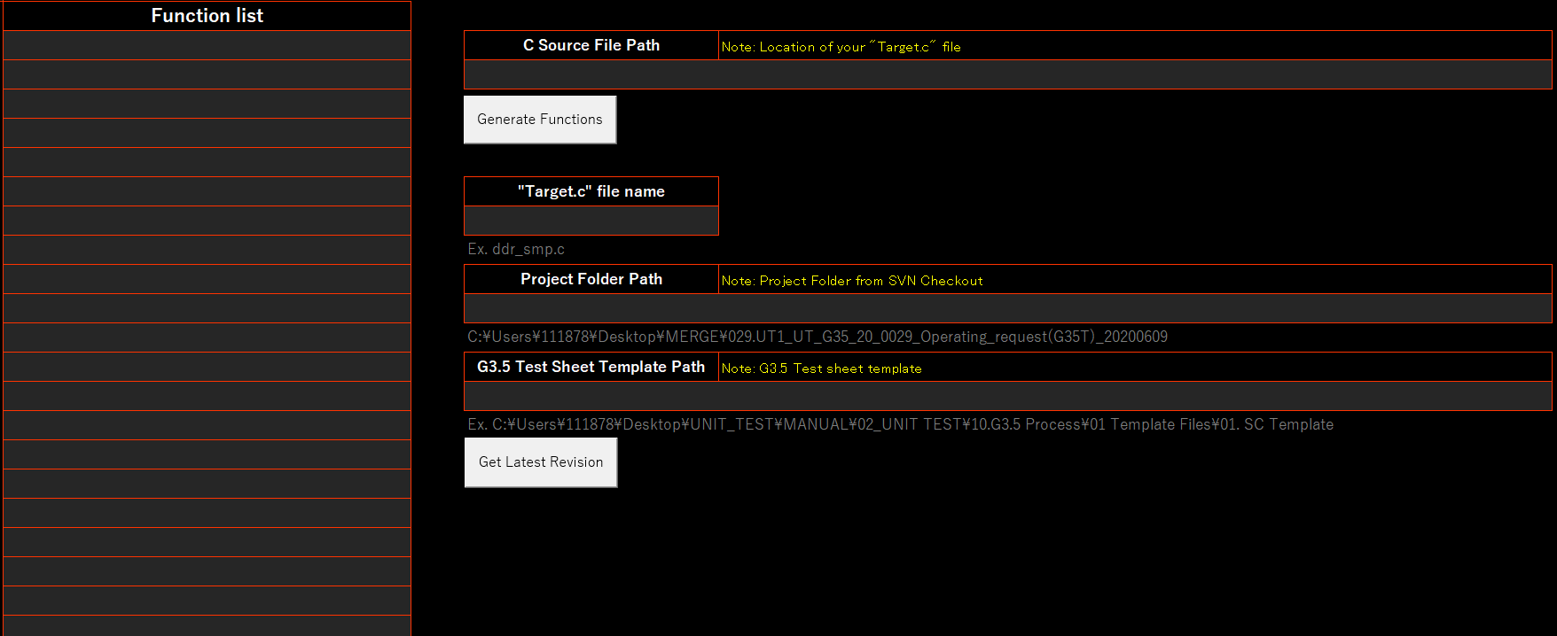

①
After clicking the "Generate Functions" button, All the functions inside "Target.c" file will appear on this column
⑤

②
yawgcanset.c

③

④

⑥
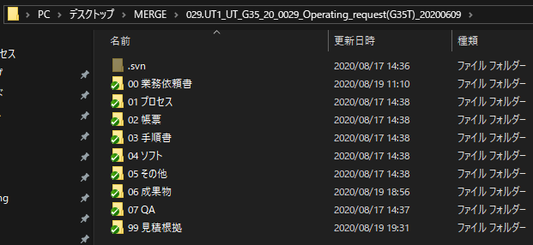

After clicking the "Get Latest Revision" button, The merged test sheet will be inserted directly to
06 成果物 folder

 |  | プリプロセッサ命令により、Cソース変更
 |  | プリプロセッサ命令により、Cソース変更

